ALL CHARTS
Count of Passenger ID
144 | 144

PASSENGERS PER CLASS

Row Labels | Count of Name
1 | 20
2 | 43
3 | 81
Grand Total | 144
TOTAL MALE AND FEMALE PASSENGERS

Row Labels | Count of Sex
male | 90
female | 54
Grand Total | 144

TOTAL PASSENGER THAT SURVIVED by age group

Row Labels | Count of Passenger ID
ELDER | 14
TEEN | 41
YOUTH | 144
ADULT | 219
Grand Total | 418

PASSENGERS THAT HAD SILBLINGS ON BOARD

Row Labels | Count of Passenger ID
NO | 105
YES | 39
Grand Total | 144

TOTAL PASSENGERS WITH CHILDREN ON BOARD

Row Labels | Count of Name
NO | 124
YES | 20
Grand Total | 144

TOTAL PASSENGERS THAT EMBARKED AT EACH LOCATION
Row Labels | Count of Passenger ID
C | 26
Q | 10
S | 108
Grand Total | 144

PASSENGER BY CLASS&GENDER
Count of Passenger ID | Column Labels
Row Labels | female | male | Grand Total
1 | 13 | 7 | 20
2 | 15 | 28 | 43
3 | 26 | 55 | 81
Grand Total | 54 | 90 | 144

TOTAL PASSENGER THAT SURVIVED/DIED

Row Labels | Count of Name
0 | 90
1 | 54 | 152
Grand Total | 144

TOTAL MALE AND FEMALE PASSENGERS THAT SURVIVED
Row Labels | Sum of Survived
female | 54
male | 0
Grand Total | 54

TOTAL SURVIVAL PER CLASS

Row Labels | Sum of Survived
3 | 26
2 | 15
1 | 13
Grand Total | 54

Row Labels | Sum of SURVIVED
YOUTH | 54
Grand Total | 54

survival from Embaked port
Row Labels | Count of Passenger ID
S | 108
C | 26
Q | 10
Grand Total | 144

RATIO PER CLASS & Gender
Row Labels | Average of Survived
1 | 0.65
female | 1
male | 0
2 | 0.3488372093
female | 1
male | 0
3 | 0.32098765432
female | 1
male | 0
Grand Total | 0.375

DASHBOARD
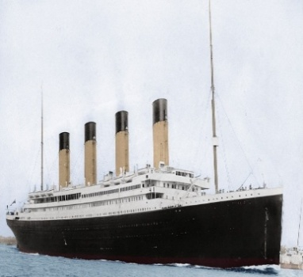
TITANIC TAILORED ANALYSIS

144

AVERAGE AGE OF PASSENGERS
TOTAL PASSENGER
PASSENGERS THAT SURVIVED
AVERAGE PRICE OF FARE

30.2
$35.63
144
152

PASSENGER THAT SURVIVED BY AGE GROUP
 | Total
ELDER | 14
TEEN | 41
YOUTH | 144
ADULT | 219
PASSENGERS THAT HAD SILBLINGS ON BOARD
 | Total
NO | 105
YES | 39
PASSENGERS PER CLASS
 | Total
1 | 20
2 | 43
3 | 81

RATIO PER CLASS & Gender
 | Total
female | 1
male | 0
female | 1
male | 0
female | 1
male | 0

PASSENGERS WITH CHILDREN ON BOARD
 | Total
NO | 124
YES | 20
TOTAL MALE AND FEMALE PASSENGERS THAT SURVIVED
 | Total
female | 54
male | 0
MALE AND FEMALE PASSENGER IN EACH CLASS
 | female | male
1 | 13 | 7
2 | 15 | 28
3 | 26 | 55
PASSENGERS THAT SURVIVED BASED ON WHERE THEY EMBAKED l
 | Total
S | 108
C | 26
Q | 10
MALE AND FEMALE PASSENGERS
 | Total
male | 90
female | 54
PASSENGER THAT SURVIVED/DIED
 | Total
0 | 90
1 | 54

PASSENGERS THAT EMBARKED AT EACH LOCATION
 | Total
C | 26
Q | 10
S | 108

SURVIVED PASSENGERS PER CLASS
 | Total
3 | 26
2 | 15
1 | 13

